PID Simulator
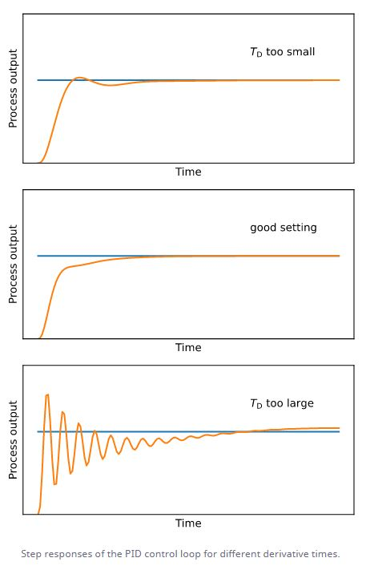
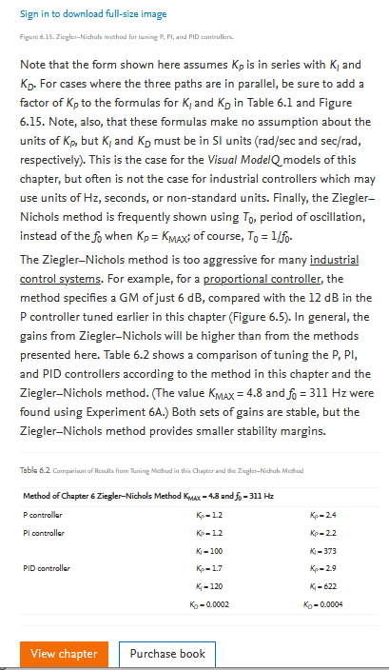
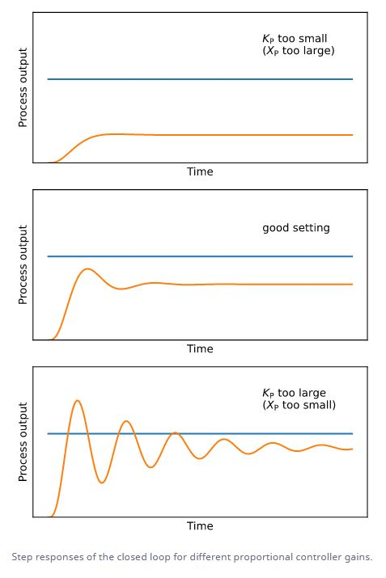
Ziegler-Nichols Closed Loop Tuning Calculator |  |  |  |  |  |  |  |  |  |  |  |  |  |  |  |  |  |  |  |  |  |  |  |  |  |  |  |  |  |  |  | P - influence
 |  |  |  |  |  |  |  |  |  |  |  |  |  |  |  |  |  |  | Other |  |  | M |  |  |  | ZN |  |  | TL
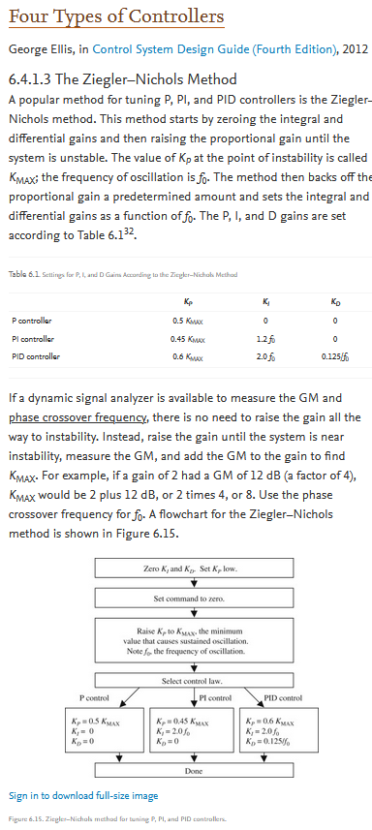
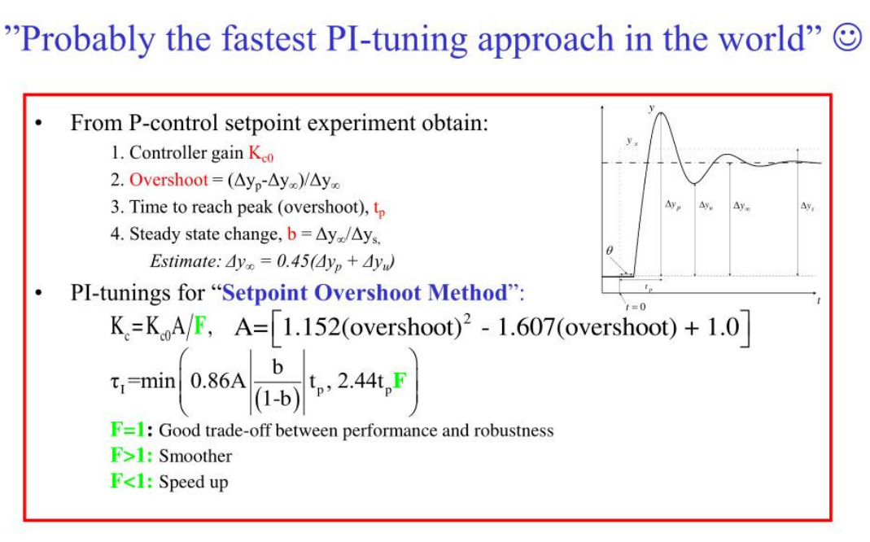
 | Process Model |  | PMM |  | Controller | TPM in | TPM calc | TPXX | TPXX | TPXX |  | Ku | 16.332 | PMM - Process Model Manual |  |  |  |  |  |  |  |  |  |  |  | Ku | Pu | Pu | Ku | Pu | Pu
 | PMM | PMXX | PID |  |  |  |  | Gain | Integral | Derivative |  | Pu (s) | 3.854 | PMXX - Process Model XX (ZN-Ziegler-Nichols etc.) |  |  |  |  | Kc | Ti | Td |  |  |  |  | Kc | Ti | Td | Kc | Ti | Td
 | 1 | 1 | Process Gain |  | P | 5 | 3.000 | 8.166 |  |  |  |  |  |  |  |  |  |  | 0.50 |  |  | 3.00 | 0.60 | 5 |  | 0.50 |  |  | 0.50
 | 10 | 10 | Time Constant |  | PI | 1.5 | 3.000 | 7.423 | 3.212 |  |  |  |  | TPM - Tuning Parameters Manual |  |  |  |  | 0.45 | 0.83 |  | 3.00 | 2.00 | 1.5 |  | 0.45 | 0.83 |  | 0.31 | 2.20
 | 1 | 1 | Delay |  | PID | 1.5 | 0.083 | 9.607 | 1.927 | 0.482 |  |  |  | TPXX - Tuning Parameters XX (ZN-Ziegler-Nichols etc.) |  |  |  |  | 0.59 | 0.50 | 0.13 | 0.08 | 0.13 | 1.5 | - | 0.59 | 0.50 | 0.13 | 0.45 | 2.20 | 0.16

PID LOOP SIMULATOR

 | Step Input |  |  |  |  |  |  |  |  |  |  |  |  |  |  |  |  |  |  |  |  |  |  |  | clas | 0.59 | 0.50 | 0.13
 |  |  |  |  |  | Process |  |  | PMM |  |  |  |  |  |  |  |  |  |  |  |  |  |  |  | pes | 0.70 | 0.40 | 0.15
 |  |  |  | MANIPULATED |  |  |  |  |  |  | PROCESS |  |  |  |  |  | Process Value |  |  |  |  |  |  |  | sov | 0.33 | 0.50 | 0.33
 |  |  |  | VALUE |  | Process Gain |  |  | 1 |  | VALUE |  |  |  |  |  |  |  |  |  |  |  |  |  | nov | 0.20 | 0.50 | 0.33
 |  |  |  |  |  | Lag (seconds) |  |  | 10
 | Mode |  |  |  |  | Delay (seconds) |  |  | 1

 |  |  |  |  |  | Controller |  |  | PID
 | 2
 |  |  |  |  |  | Controller Gain |  |  | 3.000 |  |  |  |  |  | - |  |  |  |  |  |  |  |  |  |  |  |  |  |  |  |  | PI - influence
 |  |  |  |  |  | Integral Time (sec) |  |  | 3.000 |  |  |  | SP - PV | Σ |  | + | Set Point | Step Input
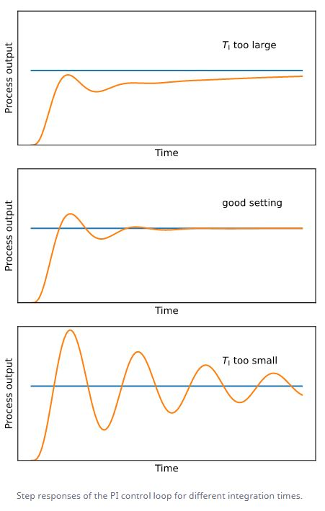
 |  |  |  |  |  | Derivative Time (sec) |  |  | 0.083

 | Set Point | Process Value | Manipulated Value
-10 | 0 | 0 | 0
-9 | 0 | 0 | 0
-8 | 0 | 0 | 0
-7 | 0 | 0 | 0
-6 | 0 | 0 | 0
-5 | 0 | 0 | 0
-4 | 0 | 0 | 0
-3 | 0 | 0 | 0
-2 | 0 | 0 | 0
-1 | 0 | 0 | 0
0 | 1 | 0 | 3.4166666667
1 | 1 | 0 | 3.6666666667
2 | 1 | 0.32513882171 | 2.8891090258
3 | 1 | 0.64312723914 | 2.0546972275
4 | 1 | 0.85686066501 | 1.4698979775
5 | 1 | 0.97084988506 | 1.1459590395
6 | 1 | 1.0183405901 | 1.0029149374
7 | 1 | 1.0304850912 | 0.95926525383
8 | 1 | 1.0278614442 | 0.95907972586
9 | 1 | 1.0213336536 | 0.97187722505
10 | 1 | 1.0154094091 | 0.98446319334
11 | 1 | 1.0112667741 | 0.99298703963
12 | 1 | 1.0087160761 | 0.99760111334
13 | 1 | 1.0072192604 | 0.99959731687
14 | 1 | 1.0063039727 | 1.0001933951
15 | 1 | 1.00566575 | 1.0001963911
16 | 1 | 1.0051449866 | 1.0000338975
17 | 1 | 1.0046740655 | 0.99988448557
18 | 1 | 1.0042324951 | 0.99979591905
19 | 1 | 1.0038187273 | 0.99976199652
20 | 1 | 1.0034359065 | 0.9997625779
21 | 1 | 1.0030862877 | 0.99977990476
22 | 1 | 1.0027699949 | 0.99980267439
23 | 1 | 1.0024854502 | 0.9998251794
24 | 1 | 1.0022301503 | 0.99984525851
25 | 1 | 1.0020012871 | 0.99986254949
26 | 1 | 1.0017961138 | 0.99987739045
27 | 1 | 1.0016121109 | 0.9998902649
28 | 1 | 1.0014470304 | 0.99990158598
29 | 1 | 1.0012988846 | 0.99991165071
30 | 1 | 1.001165914 | 0.99992065972
31 | 1 | 1.0010465551 | 0.99992875053
32 | 1 | 1.000939412 | 0.99993602455
33 | 1 | 1.0008432348 | 0.9999425639
34 | 1 | 1.0007569024 | 0.99994844014
35 | 1 | 1.0006794078 | 0.99995371803
36 | 1 | 1.000609847 | 0.99995845685
37 | 1 | 1.0005474081 | 0.99996271078
38 | 1 | 1.000491362 | 0.99996652909
39 | 1 | 1.0004410542 | 0.99996995628
...

 |  |  |  |  |  |  |  |  |  |  |  |  |  |  |  |  |  |  |  |  |  |  |  |  |  |  |  |  |  |  |  |  | KC0 = | 1 | A= | 0.56448 | Kmax=
 |  |  |  |  |  |  |  |  |  |  |  |  |  |  |  |  |  |  |  |  |  |  |  |  |  |  |  |  |  |  |  |  | dyp= | 0.3 | F= | 1 | fo=
 |  |  |  |  |  |  |  |  |  |  |  |  |  |  |  |  |  |  |  |  |  |  |  |  |  |  |  |  |  |  |  |  | dyn= | 1 | KC= | 0.56448 | KP= | 0.6*Kmax
 |  |  |  |  |  |  |  |  |  |  |  |  |  |  |  |  |  |  |  |  |  |  |  |  |  |  |  |  |  |  |  |  | overshoot = | -0.7 | ti= | 5.8254336 | Ki= | 2.0*fo
 |  |  |  |  |  |  |  |  |  |  |  |  |  |  |  |  |  |  |  |  |  |  |  |  |  |  |  |  |  |  |  |  | tp= | 8 |  |  | Kd= | 0.125/fo
 |  |  |  |  |  |  |  |  |  |  |  |  |  |  |  |  |  |  |  |  |  |  |  |  |  |  |  |  |  |  |  |  | b= | 0.6
 |  |  |  |  |  |  |  |  |  |  |  |  |  |  |  |  |  |  |  |  |  |  |  |  |  |  |  |  |  |  |  |  | dyn= | 0.0675

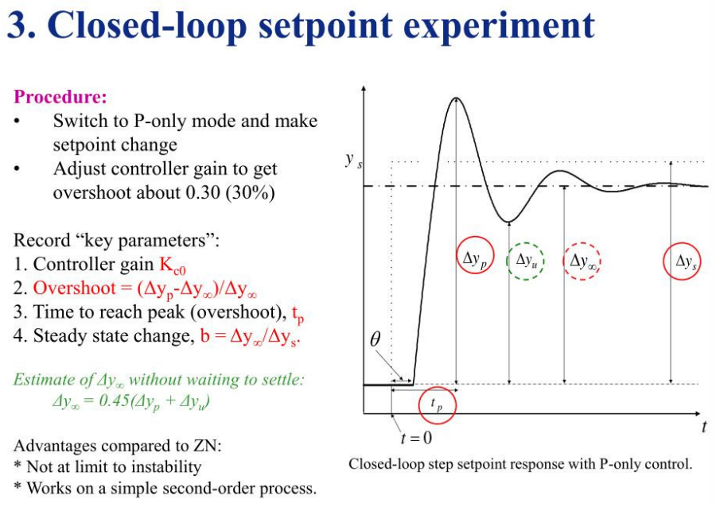

 |  |  |  |  |  |  |  |  |  |  |  |  |  |  |  |  |  |  |  |  |  |  |  |  |  |  |  |  |  |  |  | PID - influence

